Introduction
 |  |  |  |  | 34
WARM: Low Energy Building Practice
7 The Crescent, Plymouth PL1 3AB - 01752 542 546 - www.peterwarm.co.uk

 | PSI from THERM blank calculation sheet

 | This collection of sheets has been designed to perform the necessary calculation
 | to transform THERM model outputs to Psi value for thermal bridges in buildings

 | It is offered free but with obvious caveats as to its use
 |  | - no claims are made for its accuracy or correctness

 | The first sheets are designed to record the details of the construction (sketches)
 | this needs to be enough information to enable the calculation to be repeated :
 |  | all dimensions
 |  | all conductivities
 |  | all surface resistances
 |  | position of meausremnet planes ( v imp for external dims)

 | The following sheets are designed for the following particular situations:
 |  |  | AMBIENT | any junction not involving ground
 |  |  | GROUND BEARING FLOOR | wall to ground joints, unventilated floors
 |  |  | SUSPENDED FLOOR | wall to ground joints, ventilated floors
 |  |  | WINDOW INSTALLATION | window to wall, simplified case
 |  |  | PARTY-PARTITION WALL TO GROUND FLOOR | as it says!
 |  |  | PARTY-INTERMEDIATE FLOOR TO WALL | floor junction to wall

 | Each has space for a THERM view of the elements, construction, isotherm & flux
 | Use the snipping tool in Vista Win7, for XP use Cropper(freeware) for this
 | We also suggest you paste in a picture of the finished component layout (no calc displayed)
 | including red lines for internal reference planes, blue lines for external reference planes

 | The Therm report function is pasted into the columns to the right,
 | one column for each component U value, and one for the L2D results.

 | We run training courses using THERM to calculate thermal models
 |  | contact Helen.

 | Any errors you spot - please let us know! info@peterwarm.co.uk

version history
24 | clarification added to window installation case
25 | Formula changed to work with open office
26 | Layout changed to include elements
27 | All party walls now to be analysed both sides to cope with asymmetric constructions
 | All outputs now reported to 2 decimal places, but result to 3 visible
 | Isotherm scale added to all bases
28 | Added suspended floor check that Internal L2D is being used.
 | Added Flux scale to each sheet
29 | correct internal conditional formatting in susp floor ( see 28)
 | correct wall /void height definition
30 | corrected formula in ground and party ground sheet P27 replace 0.427 with 0.457 (thanks andrew lundberg)
31 | Window installation N35 IF command added
34 | Corrected Ground Party Wall unequal (cels O53,61), added Wall Party wall unequal

future
 | add un heated basement to floor void temp calc

Sketch (Element 1)
 |  |  |  |  | 34
Name
TW1
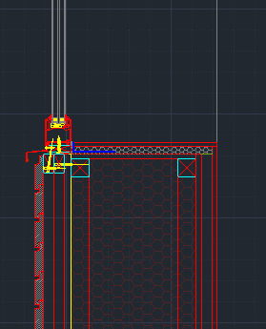
I
A
B
C
D
E
F
H
G

 | Parameter | Derivation | Value | Library code
 | ext Rse |  | R 0.04 | AA External
A | Window frame | Manufacturer | k 0.0816 | A_window_livingwood_passiveuropa_92_sides
B | Gyproc Thermaline PLUS | Manufacturer | k 0.033 | A_Gyproc thermaline PLUS
C | Larch timber cladding | Literature | k 0.14 | A_Larch
D | Unventilated cavity | Convention | keff 0.1441 | A_CEN frame cavity unventilated
E | Bitroc | Literature | k 0.05 | A_Bitroc
F | ecofab wool | Literature | k 0.039 | A_Wool
G | Plywood: heat across grain | Standard value | k 0.039 | AA_TIM plywood heat across grain
H | Timber | Standard value: softwood | k 0.13 | AA TIM General
I | Plasterboard and skim | Standard value | k 0.21 | AA FIN plasterboard and skim
 | int Rsi |  | R 0.13 | AA Interior Horiz

Sketch (Junction)
Name
TW1
 |  |  |  |  |  | 34
Junction

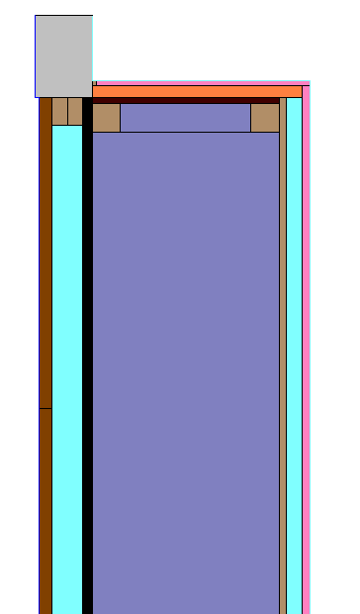

 | Window | Thickness | 92 | mm
 |  | Width | 130 | mm
 |  | Uf | 0.771 | W/m2K

Information from Livingwood windows on the
PASSIVE EUROPA 92
of the Zyle Fenster UAB Company

 | Parameter | Derivation |  | Value | Library code
A | Window frame | Manufacturer |  | k 0.0816 | A_window_livingwood_passiveuropa_92_sides

Window Installation
WARM: Low Energy Building Practice
7 The Crescent, Plymouth PL1 3AB - 01752 542 546 - www.peterwarm.co.uk
WARM: Low Energy Building Practice
7 The Crescent, Plymouth PL1 3AB - 01752 542 546 - www.peterwarm.co.uk
WARM: Low Energy Building Practice
7 The Crescent, Plymouth PL1 3AB - 01752 542 546 - www.peterwarm.co.uk
WARM: Low Energy Building Practice
7 The Crescent, Plymouth PL1 3AB - 01752 542 546 - www.peterwarm.co.uk
 | 34 |  |  |  |  |  |  |  | Therm Version 6.3.46.0 | Therm Version 6.3.46.0
 |  | Software: | Therm 6.3 |  |  | Date: | 2014-12-28 |  | Date: Sun Dec 28 16:53:40 2014 | Date: Sun Dec 28 16:59:46 2014
 |  | Job Name: | ecofab |  |  | Job No:
 |  | Tab name: | Window Installation |  |  | Completed by: | RG |  | Created by: | Created by:
 |  | Descrip: | Livingwood: Passiv Europa 92 Window |  |  | Checked by: |  |  | Created for: | Created for:

Black = no heat flow
White = high heat flow
Black = no heat flow
White = high heat flow
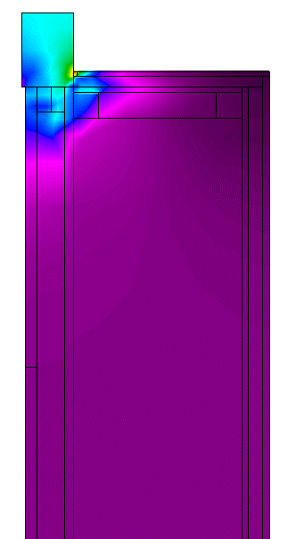
Heat Flux |  | Data column | Row | Name | Ufactor name | Length mm | U factor | L2D W/Km | Therm Filename: C:\Users\Rosie\Desktop\ecofab\Autumn project3\3 - Non-repeating thermal bridges\ecofab files\Wool\Window\jamb\Wall for window.THM | Therm Filename: C:\Users\Rosie\Desktop\ecofab\Autumn project3\3 - Non-repeating thermal bridges\ecofab files\Wool\Window\jamb\Wall with window.THM
(Heatflow through materials) |  | S | 16 | Wall | Internal | 2027 | 0.1236 |  | Cross Section Type: Sill | Cross Section Type: Sill
 |  | T | 16 | Wall+Frame | Internal | 2479 | 0.1562 | 0.3872 | Underlay Name: C:\Users\Rosie\Desktop\ecofab\Autumn project1\5 - Non-repeating thermal bridges\ecofab files\Rory\Window\ss\DET 40 BR-440 window file1.dxf | Underlay Name: C:\Users\Rosie\Desktop\ecofab\Autumn project1\5 - Non-repeating thermal bridges\ecofab files\Rory\Window\ss\DET 40 BR-440 window file1.dxf

 |  | U - value calculation for data row |  |  | Wall |  |  |  | U-factors | U-factors
 |  |  | Check surface resistances correct |  |  |  | y
 |  |  | Check total length correct |  |  |  | y |  | Name Length Basis U-factor | Name Length Basis U-factor
 |  |  |  |  |  |  |  |  | mm W/m2-K | mm W/m2-K
 |  |  |  |  |  |  | Modelling U Value ( W/m2K) | 0.124 | -------------------- ------- ------------ -------- | -------------------- ------- ------------ --------
 |  |  |  |  |  |  |  |  | Internal 2027.00 Total Length 0.1236 | Internal 2479.00 Total Length 0.1562
 |  | Data for window frame |  |  | dimension | U-value | conductivity |  | External 2019.96 Total Length 0.1240 | External 2137.04 Total Length 0.1812
 |  |  |  |  | mm | W/m2K | W/mK
 |  |  | Frame | width w | 130
 |  |  |  | thickness t | 92 |  |  |  | Solid Materials | Solid Materials
 |  |  |  | Uf |  | 0.77
 |  |  |  | Homogenous frame? |  | y |  |  | Name Conductivity Emissivity | Name Conductivity Emissivity
 |  |  | External Surface resistance |  |  | 0.04 |  |  | W/m-K | W/m-K
 |  |  | Internal Surface resistance |  |  | 0.13 |  |  | ------------------------------ ------------- ---------- | ------------------------------ ------------- ----------
 |  | Draw frame as a rectangle 92 mm thick, 130 mm wide and with a conductivity of |  |  |  |  |  |  | AA TIM General Timber 0.13 0.90 | AA TIM General Timber 0.13 0.90
 |  |  |  |  | Frame Conductivity | 0.0816 | W/mK |  | AA TIM plywood heat across gra | AA TIM plywood heat across gra
 |  |  |  |  |  |  |  |  | in 0.22 0.90 | in 0.22 0.90
 |  | Psi Window Installation according to Passivhaus |  |  |  |  |  |  | A_Wool 0.04 0.90 | A_Wool 0.04 0.90
 |  |  |  |  | dimension | U-value | heat flow |  | Wall for window:A_Gyproc Therm | A_Bitroc 0.05 0.90
 |  |  |  |  | mm | W/m2K | W/mK |  | aline PLUS 0.03 0.90 | AA FIN plasterboard & skim 0.21 0.90
 |  | Wall and Frame |  |  |  |  | 0.387 |  | A_Bitroc 0.05 0.90 | Wall for window:A_Larch 0.14 0.90
Isotherms |  | Wall |  |  | 2000 | 0.124 | 0.247 |  | AA FIN plasterboard & skim 0.21 0.90 | Wall for window:A_Gyproc Therm
Warm Inside (20°C)
(Lines of constant temp) |  | Simplified Frame |  |  | 130 | 0.771 | 0.100 |  | Wall for window:A_Larch 0.14 0.90 | aline PLUS 0.03 0.90
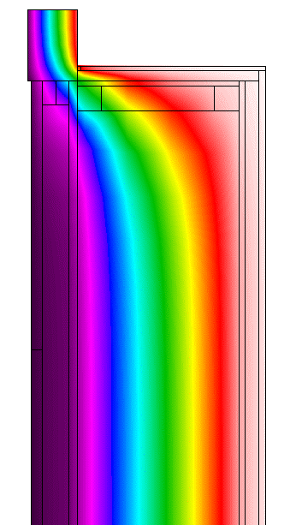
 |  |  |  |  |  |  | 0.040 |  |  | A_door_livingwood_PassivEuropa
 |  |  |  |  | Installation Psi | 0.04 |  | W/mK |  | 92_sides 0.08 0.90
 |  |  |  |  |  |  |  |  | Cavities
 |  | Error in calculation: |  |  |  | From therm report - worst cell | 6.9 | %
 |  |  |  |  |  |  |  |  |  | Cavities
thickness
width
Jamb, Lintle or Cill section - each may be different
 |  |  |  |  |  |  |  |  | Name: A_CEN frame cavity unventilated
 |  |  |  |  |  |  |  |  | Gas Fill: Air
 |  |  |  |  |  |  |  |  | Convection Model: CEN | Name: A_CEN frame cavity unventilated
 |  |  |  |  |  |  |  |  | Radiation Model: Standard | Gas Fill: Air
 |  |  |  |  |  |  |  |  |  | Convection Model: CEN
Cold Outside (0°C)
 |  |  |  |  |  |  |  |  | Poly Heat Side 1 Side 2 Dimension Nu Keff Cavity | Radiation Model: Standard
 |  |  |  |  |  |  |  |  | ID Flow Temp Emis Temp Emis Horz. Vert. # Height
 |  |  |  |  |  |  |  |  | Dir C C mm mm W/m-K mm | Poly Heat Side 1 Side 2 Dimension Nu Keff Cavity
 |  |  |  |  |  |  |  |  | ----- -------------------- -------- ---- -------- ---- ------ ------ ------ ------ ------ | ID Flow Temp Emis Temp Emis Horz. Vert. # Height
 |  |  |  |  |  |  |  |  | 29 Horizontal 15.00 0.90 5.00 0.90 25.002000.0 N/A 0.1441 N/A | Dir C C mm mm W/m-K mm
 |  |  |  |  |  |  |  |  | 4 Horizontal 15.00 0.90 5.00 0.90 50.001955.0 N/A 0.2871 N/A | ----- -------------------- -------- ---- -------- ---- ------ ------ ------ ------ ------
 |  |  |  |  |  |  |  |  |  | 29 Horizontal 15.00 0.90 5.00 0.90 25.002000.0 N/A 0.1441 N/A
 |  |  |  |  |  |  |  |  |  | 4 Horizontal 15.00 0.90 5.00 0.90 50.001955.0 N/A 0.2871 N/A
 |  |  |  |  |  |  |  |  | Glazing Systems

 |  |  |  |  |  |  |  |  | None | Glazing Systems

 |  |  |  |  |  |  |  |  |  | None
Junction (inc reference planes) |  | Elements |  |  |  |  |  |  | Standard Boundary Conditions
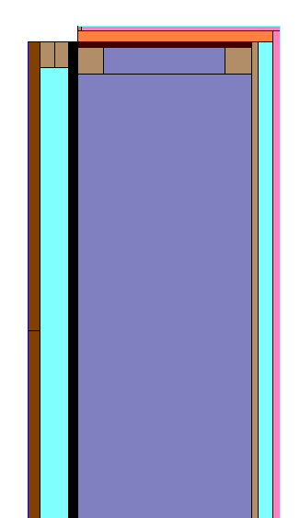
 |  |  |  |  |  |  |  |  | Name Temperature Film Coefficient | Standard Boundary Conditions
 |  |  |  |  |  |  |  |  | C W/m2-K
 |  |  |  |  |  |  |  |  | ------------------------------ ------------ ----------------- | Name Temperature Film Coefficient
 |  | Wall |  |  |  | Window frame |  |  | AA Interior Horizontal R0.13 2 | C W/m2-K
 |  |  |  |  |  |  |  |  | 0C 20.00 7.690 | ------------------------------ ------------ -----------------
 |  |  |  |  |  |  |  |  | AA External R0.04 0C 0.00 25.000 | AA External R0.04 0C 0.00 25.000
 |  |  |  |  |  |  |  |  |  | AA Interior Horizontal R0.13 2
 |  |  |  |  |  |  |  |  |  | 0C 20.00 7.690

 |  |  |  |  |  |  |  |  | Calculation Specifications
 |  |  |  |  |  | Thickness | 92 | mm | --------------------------
 |  |  |  |  |  | Width | 130 | mm |  | Calculation Specifications
 |  |  |  |  |  | Uf | 0.771 | W/m2K | Mesh Parameter : 6 | --------------------------
 |  |  |  |  |  |  |  |  | Estimated Error: 3.9%
 |  |  |  |  |  |  |  |  | Calculations done in Version 6.3.46.0 | Mesh Parameter : 6
 |  |  |  |  |  |  |  |  |  | Estimated Error: 6.9%
 |  |  |  |  |  |  |  |  |  | Calculations done in Version 6.3.46.0
 |  |  |  |  |  |  |  |  |  | Calculations done in Version 6.3.46.0

